Indices

 | Iraq Stock Exchange
 | Bulletin No (185)

 | ISX Trading Indices of Thursday 16/10/2025

 | Traded Volume and OTC |  | 389,132,130 |  | Traded Value and OTC |  | 938,503,233 |  | Traders | 917

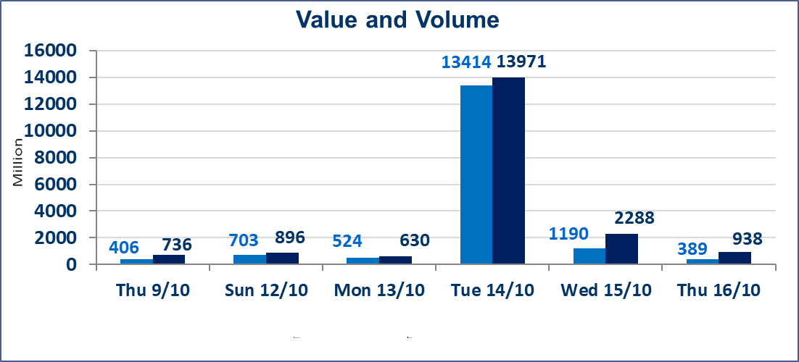
 | ISX Index 60 |  |  | 932.73 | ISX Index 15 |  |  | 1111.81
 | Previous ISX Index60 |  |  | 935.98 | Previous ISX Index15 |  |  | 1114.21
 | Change % |  |  | -0.35 | Change % |  |  | -0.22
 | Change |  |  | -3.25 | Change |  |  | -2.40

 | Listed Companies | 104 | OTC | 11 | Non Traded listed | 46 | OTC | 9
 | Traded Listed Companies | 44 | OTC | 1 | Higher Companies |  |  | 8
 | GAM Companies |  |  | 4 | Lower Companies |  |  | 19
 | Suspended Companies |  |  | 10
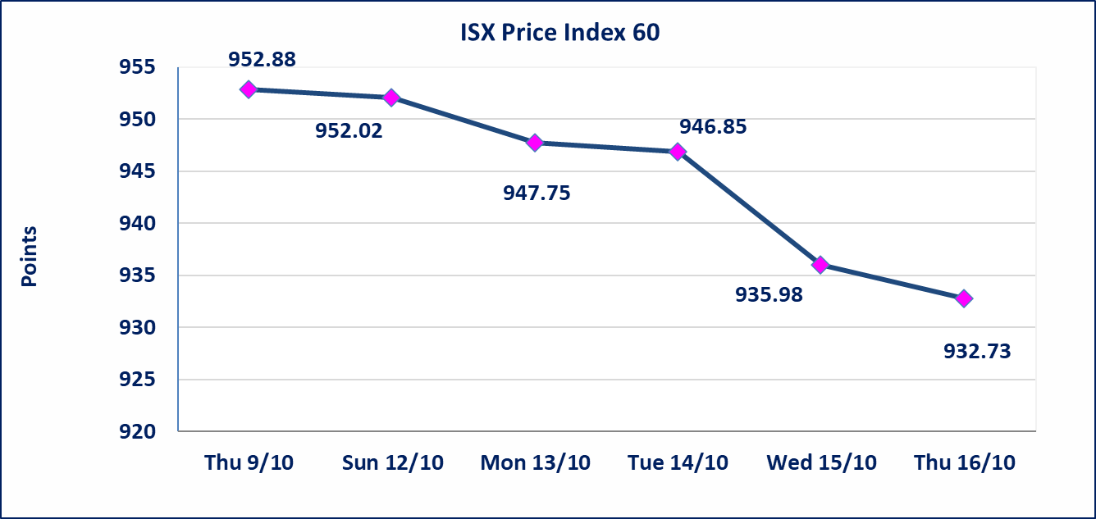
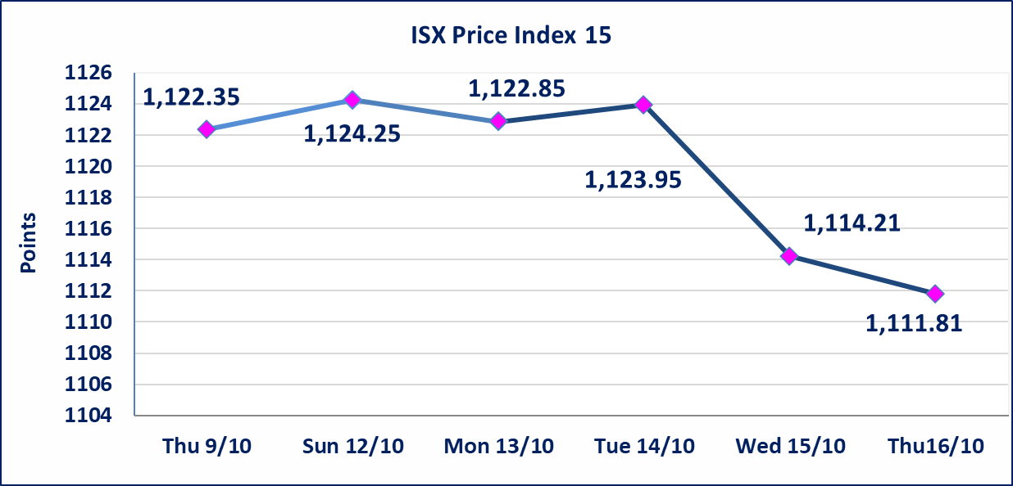

Al-Alwiya P.O . 3607 Mobile: 07711211522 - 07270094594 - 07834000034 E-mail: info-isx@isx-iq.net Web site:www.isx-iq.net

Top 5
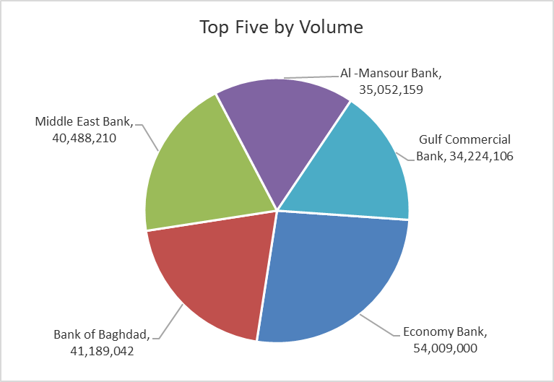
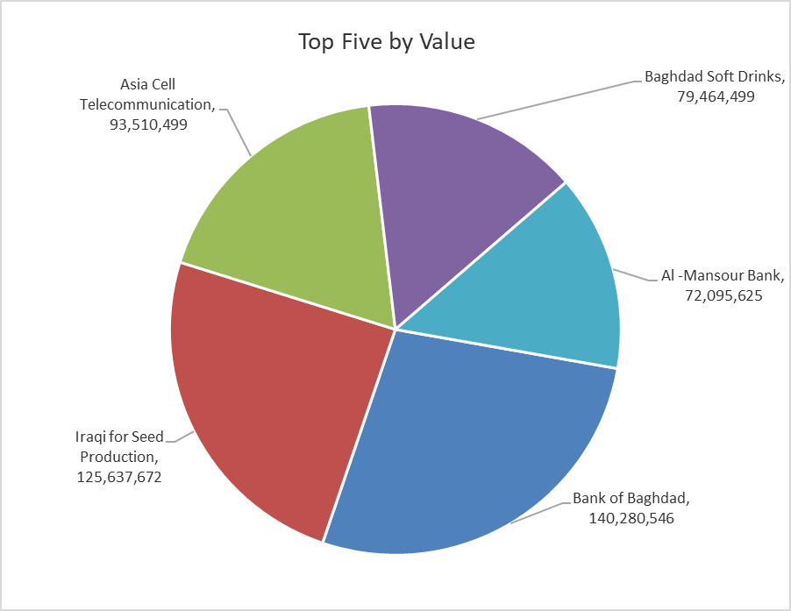
ISX top ganing and losing companies
Thursday 16/10/2025
Gainers |  |  |  | Losers
Company Name | Closing Price | Change (%) | Traded Volume | Company Name | Closing Price | Change (%) | Traded Volume
Iraqi Date Processing and Marketing | 2.700 | 7.14 | 5,000 | Trans Iraq Bank Investment | 0.260 | -7.14 | 382
General Transportation | 1.600 | 4.58 | 6,163,270 | Mosul Bank For Investment | 0.160 | -5.88 | 21,449,884
Iraqi for Seed Production | 5.600 | 1.82 | 22,346,377 | Iraq Noor Islamic Bank for Investment | 0.220 | -4.35 | 250,000
Fallujah for construction Materials | 3.540 | 0.85 | 4,744,692 | Kharkh Tour Amuzement City | 4.420 | -3.91 | 3,060,151
Al -Mansour Bank | 2.060 | 0.49 | 35,052,159 | Ashur International Bank | 0.250 | -3.85 | 12,000,000

The most active companies in term of traded volume and value

Traded Volume |  |  |  | Traded Value
Company Name | Closing Price | Change (%) | Traded Volume | Company Name | Closing Price | Change (%) | Traded Value
Economy Bank | 0.230 | 0.00 | 54,009,000 | Bank of Baghdad | 3.420 | -0.87 | 140,280,546
Bank of Baghdad | 3.420 | -0.87 | 41,189,042 | Iraqi for Seed Production | 5.600 | 1.82 | 125,637,672
Middle East Bank | 0.060 | 0.00 | 40,488,210 | Asia Cell Telecommunication | 11.870 | 0.17 | 93,510,499
Al -Mansour Bank | 2.060 | 0.49 | 35,052,159 | Baghdad Soft Drinks | 4.540 | -0.44 | 79,464,499
Gulf Commercial Bank | 0.300 | 0.00 | 34,224,106 | Al -Mansour Bank | 2.060 | 0.49 | 72,095,625

Non Iraqis

 | Iraq Stock Exchange
 | Non Iraqis' Bulletin Thursday Oct 16 2025
 | Regular Market

 | Non Iraqi Trading of Regular Market (Buy)
 | Company Names | Code | No.of trades | Traded Shares | Trading Volume
 | Banks Sector
 | Bank Of Baghdad | BBOB | 1 | 120,000 | 414,000
 | National Bank Of Iraq | BNOI | 12 | 3,262,000 | 13,557,021
 | Gulf Commercial Bank | BGUC | 2 | 25,000 | 7,500
 | Total Bank sector |  | 15 | 3,407,000 | 13,978,521
 | Grand Total |  | 15 | 3407000 | 13978521

 | Non Iraqi Trading of Second Market (BUY)
 | Company Names | Code | No. of trades | Traded Volume | Traded Value
Banks Sector
 | Credit Bank Of Iraq | BROI | 1 | 7,600 | 5,320
 | Total Bank sector |  | 1 | 7,600 | 5,320
 | Grand Total |  | 1 | 7600 | 5320

 | Non Iraqi Trading of Undisclosed Platform (Sell)
 | Company Names | Code | No.of trades | Traded Shares | Trading Volume
 | Industry Sector
 | Al -HiLal Industries | IHLI | 4 | 1,500,000 | 2,925,000
 | Total Industry sector |  | 4 | 1,500,000 | 2,925,000
 | Grand Total |  | 4 | 1500000 | 2925000

